Sheet1
MONTHLY PERFORMANCE

INDIAN INDICES
Indices | Aug-23 | Jul-23 | Change (%)
SENSEX | 64831.41 | 66527.67 | -2.55
NIFTY 50 | 19253.80 | 19753.80 | -2.53 | NSE
NIFTY BANK | 43989.15 | 45651.10 | -3.64 | https://www.nseindia.com/market-data/live-market-indices
NIFTY MIDCAP 100 | 39118.65 | 37721.35 | 3.70
NIFTY 500 | 16924.30 | 17059.00 | -0.79
NIFTY IT | 31164.90 | 29928.45 | 4.13
NIFTY REALTY | 558.40 | 566.75 | -1.47
NIFTY INFRA | 5947.00 | 6115.35 | -2.75
(Source: BSE & NSE)

BSE SECTORAL INDICES
Indices | Aug-23 | Jul-23 | Change (%)
AUTO | 35513.33 | 36017.44 | -1.40 | BSE
S&P BSE BANKEX | 49371.95 | 51432.39 | -4.01 | https://www.bseindia.com/Sensex/IndexHighlight.html
S&P BSE CONSUMER DURABLES | 44564.97 | 42752.52 | 4.24
S&P BSE CAPITAL GOODS | 45215.72 | 44045.93 | 2.66
S&P BSE Fast Moving Consumer Goods | 18464.75 | 18986.42 | -2.75
S&P BSE Healthcare | 27894.79 | 27736.45 | 0.57
S&P BSE Information Technology | 31528.24 | 30276.57 | 4.13
S&P BSE METAL | 21817.72 | 22180.72 | -1.64
S&P BSE OIL & GAS | 18446.17 | 19424.13 | -5.03
S&P BSE PSU | 11436.56 | 11730.28 | -2.50
S&P BSE REALTY | 4468.16 | 4536.14 | -1.50
S&P BSE TECK | 14046.61 | 13674.87 | 2.72
(Source: BSE)

GLOBAL INDICES
Indices | Aug-23 | Jul-23 | Change (%)
DOW JONES | 34721.91 | 35559.53 | -2.36 | FOR DOW & NASDAQ
NASDAQ | 14034.97 | 14346.02 | -2.17 | https://edition.cnn.com/business/markets/commodities
HANG SENG | 18382.06 | 20078.95 | -8.45
FTSE | 7439.13 | 7699.41 | -3.38 | https://www.moneycontrol.com/markets/global-indices/
NIKKEI | 32592.50 | 33308.00 | -2.15 | FOR HANGSANG, FTSE, NIKKEI
Source: Money Control

COMMODITIES
Particular | Aug-23 | Jul-23 | Change (%)
MCX GOLD | 59374.00 | 59568.00 | -0.33
MCX SILVER | 74143.00 | 75427.00 | -1.70 | spot
MCX CRUDE OIL | 6871.00 | 6697.00 | 2.60 | https://www.mcxindia.com/market-data/spot-market-price
MCX NATURAL GAS | 231.60 | 216.70 | 6.88
Source: Falcon

FOREX
Particular | Aug-23 | Jul-23 | Change (%)
USD-INR | 82.70 | 82.24 | 0.56 | https://in.investing.com/indices/indices-futures
EUR-INR | 89.65 | 90.43 | -0.86
GBP-INR | 104.80 | 105.55 | -0.71
JPY-INR | 56.81 | 57.78 | -1.68
Source: Investing.com

FII Activity (Rs cr)
Date | Gross Purchases | Gross Sales | Net Pur/Sales | https://www.cdslindia.com/Publications/FIITrends.aspx
Total for AUGUST 2023 | 235676.87 | 226444.3 | 9,232.57 | 1. SELECT LAST DATE OF MONTH
Total for 2023* | 1,568,511.63 | 1,455,880.78 | 112,630.85 | 2. SELECT TOTAL OF MONTH ONLY EQUITY WITH STOCK EXCHANGE
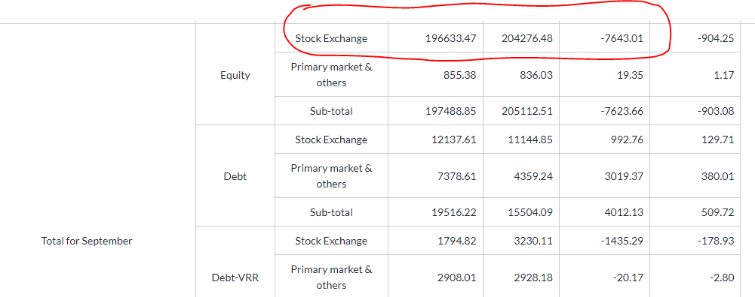
*Till AUG 2023 |  |  | (Source: SEBI) | 3. refer image pasted on excel file > > >

MF Activity (Rs cr)
Total for Aug 2023 | 87,304.00 | 72,815.00 | 14,486.00 | https://www.financialexpress.com/mutual-funds-india/mutual-funds-activities/
Total for 2023* | 768,543.23 | 684,255.40 | 84,282.64
TILL 23rd Aug |  |  | (Source: SEBI) | 1. SELECT EQUITY ONLY
 |  |  | (Rs Crore)

 | 768,543.23 | 684,255.40 | 84,282.64

JAN TOTAL | 112,171.24 | 90,818.83 | 21,353.21
FEB TOTAL | 101,628.76 | 88,804.09 | 12,824.67
MAR TOTAL | 105430.73 | 84666.43 | 20,764.30
APR TOTAL | 75553.66 | 80684.71 | -5131.05
MAY TOTAL | 100303.37 | 97856.87 | 2446.51
JUNE TOTAL | 90,657.19 | 80,823.52 | 9,833.67
JULY TOTAL | 95,494.28 | 87,785.95 | 7,705.33
AUG TOTAL | 87304 | 72815 | 14486
SEP TOTAL
OCT TOTAL
NOV TOTAL
DEC TOTAL
Total for 2023* | 768,543.23 | 684,255.40 | 84,282.64

