Sheet1
MONTHLY PERFORMANCE

INDIAN INDICES
Indices | Feb-24 | Jan-24 | Change (%)
SENSEX | 72500.30 | 71752.11 | 1.04
NIFTY 50 | 21982.80 | 21725.70 | 1.18 | NSE
NIFTY BANK | 46120.90 | 45996.80 | 0.27 | https://www.nseindia.com/market-data/live-market-indices
NIFTY MIDCAP 100 | 48335.70 | 48568.60 | -0.48
NIFTY 500 | 20090.05 | 19802.10 | 1.45
NIFTY IT | 37720.40 | 36638.40 | 2.95
NIFTY REALTY | 910.55 | 856.20 | 6.35
NIFTY INFRA | 8085.75 | 7859.90 | 2.87
(Source: BSE & NSE)

BSE SECTORAL INDICES
Indices | Feb-24 | Jan-24 | Change (%)
AUTO | 46819.30 | 43995.00 | 6.42 | BSE
S&P BSE BANKEX | 52456.58 | 51999.08 | 0.88 | https://www.bseindia.com/Sensex/IndexHighlight.html
S&P BSE CONSUMER DURABLES | 51224.29 | 50349.90 | 1.74
S&P BSE CAPITAL GOODS | 57414.63 | 56689.83 | 1.28
S&P BSE Fast Moving Consumer Goods | 19447.87 | 19892.86 | -2.24
S&P BSE Healthcare | 35079.32 | 33816.00 | 3.74
S&P BSE Information Technology | 38412.09 | 37358.72 | 2.82
S&P BSE METAL | 26865.25 | 26760.68 | 0.39
S&P BSE OIL & GAS | 27664.64 | 25915.86 | 6.75
S&P BSE PSU | 18327.03 | 17296.48 | 5.96
S&P BSE REALTY | 7195.44 | 6766.41 | 6.34
S&P BSE TECK | 16963.00 | 16639.30 | 1.95
(Source: BSE)

GLOBAL INDICES
Indices | Feb-24 | Jan-24 | Change (%)
DOW JONES | 38996.39 | 38150.31 | 2.22 | FOR DOW & NASDAQ
NASDAQ | 16091.92 | 15164.01 | 6.12 | https://edition.cnn.com/business/markets/commodities
HANG SENG | 16536.85 | 15485.08 | 6.79 | NASDAQ = IXIC
FTSE | 7630.02 | 7612.70 | 0.23 | https://www.moneycontrol.com/markets/global-indices/
NIKKEI | 39208.03 | 36286.64 | 8.05 | FOR HANGSANG, FTSE, NIKKEI | NI225 TVC
Source: Money Control

COMMODITIES
Particular | Feb-24 | Jan-24 | Change (%)
MCX GOLD | 62567.00 | 62735.00 | -0.27
MCX SILVER | 69665.00 | 72247.00 | -3.57 | spot
MCX CRUDE OIL | 6513.00 | 6313.00 | 3.17 | https://www.mcxindia.com/market-data/spot-market-price
MCX NATURAL GAS | 157.10 | 177.20 | -11.34
Source: Falcon

FOREX
Particular | Feb-24 | Jan-24 | Change (%)
USD-INR | 82.90 | 83.09 | -0.23 | https://in.investing.com/indices/indices-futures
EUR-INR | 89.55 | 89.87 | -0.36
GBP-INR | 104.64 | 105.37 | -0.69
JPY-INR | 55.27 | 56.54 | -2.25
Source: Investing.com

FII Activity (Rs cr)
Date | Gross Purchases | Gross Sales | Net Pur/Sales | https://www.cdslindia.com/Publications/FIITrends.aspx
Total for Feb 2024 | 309706.11 | 312900.83 | -3,194.72 | 1. SELECT LAST DATE OF MONTH
Total for 2024* | 625,089.16 | 657,147.77 | -32,058.61 | 2. SELECT TOTAL OF MONTH ONLY EQUITY WITH STOCK EXCHANGE
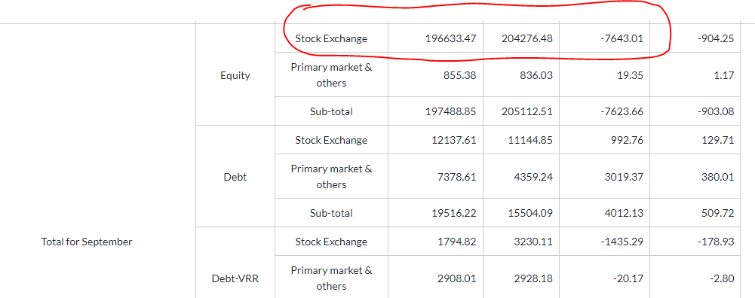
*Till Feb 2024 |  |  | (Source: SEBI) | 3. refer image pasted on excel file > > >

MF Activity (Rs cr)
Total for Feb 2024 | 183,480.87 | 165,559.61 | 17,921.26 | https://www.financialexpress.com/mutual-funds-india/mutual-funds-activities/
Total for 2024* | 398,161.28 | 357,229.39 | 40,931.89 | https://www.way2wealth.com/mutual-fund/mfactivity/
TILL 28th Feb |  |  | (Source: SEBI) | 1. SELECT EQUITY ONLY
 |  |  | (Rs Crore)

