Sheet1
MONTHLY PERFORMANCE

INDIAN INDICES
Indices | Mar-24 | Feb-24 | Change (%)
SENSEX | 73651.35 | 72500.30 | 1.59
NIFTY 50 | 22326.90 | 21982.80 | 1.57 | NSE
NIFTY BANK | 47124.60 | 46120.90 | 2.18 | https://www.nseindia.com/market-data/live-market-indices
NIFTY MIDCAP 100 | 48075.75 | 48335.70 | -0.54
NIFTY 500 | 20255.15 | 20090.05 | 0.82
NIFTY IT | 34898.15 | 37720.40 | -7.48
NIFTY REALTY | 900.65 | 910.55 | -1.09
NIFTY INFRA | 8336.00 | 8085.75 | 3.09
(Source: BSE & NSE)

BSE SECTORAL INDICES
Indices | Mar-24 | Feb-24 | Change (%)
AUTO | 49142.11 | 46819.30 | 4.96 | BSE
S&P BSE BANKEX | 53515.19 | 52456.58 | 2.02 | https://www.bseindia.com/Sensex/IndexHighlight.html
S&P BSE CONSUMER DURABLES | 52276.61 | 51224.29 | 2.05
S&P BSE CAPITAL GOODS | 60943.12 | 57414.63 | 6.15
S&P BSE Fast Moving Consumer Goods | 19318.40 | 19447.87 | -0.67
S&P BSE Healthcare | 35052.84 | 35079.32 | -0.08
S&P BSE Information Technology | 35644.77 | 38412.09 | -7.20
S&P BSE METAL | 28196.08 | 26865.25 | 4.95
S&P BSE OIL & GAS | 27644.48 | 27664.64 | -0.07
S&P BSE PSU | 18274.57 | 18327.03 | -0.29
S&P BSE REALTY | 7108.37 | 7195.44 | -1.21
S&P BSE TECK | 16111.22 | 16963.00 | -5.02
(Source: BSE)

GLOBAL INDICES
Indices | Mar-24 | Feb-24 | Change (%)
DOW JONES | 39807.37 | 38996.39 | 2.08 | FOR DOW & NASDAQ
NASDAQ | 16379.46 | 16091.92 | 1.79 | https://edition.cnn.com/business/markets/commodities
HANG SENG | 16541.42 | 16536.85 | 0.03 | NASDAQ = IXIC
FTSE | 7952.62 | 7630.02 | 4.23 | https://www.moneycontrol.com/markets/global-indices/
NIKKEI | 40369.44 | 39208.03 | 2.96 | FOR HANGSANG, FTSE, NIKKEI | NI225 TVC
Source: Money Control

COMMODITIES
Particular | Mar-24 | Feb-24 | Change (%)
MCX GOLD | 67677.00 | 62567.00 | 8.17
MCX SILVER | 75048.00 | 69665.00 | 7.73 | spot
MCX CRUDE OIL | 6909.00 | 6513.00 | 6.08 | https://www.mcxindia.com/market-data/spot-market-price
MCX NATURAL GAS | 146.50 | 157.10 | -6.75
Source: Falcon

FOREX
Particular | Mar-24 | Feb-24 | Change (%)
USD-INR | 83.35 | 82.90 | 0.54 | https://in.investing.com/currencies/usd-inr-historical-data
EUR-INR | 89.94 | 89.55 | 0.44
GBP-INR | 105.20 | 104.64 | 0.54
JPY-INR | 55.05 | 55.27 | -0.40
Source: Investing.com

FII Activity (Rs cr)
Date | Gross Purchases | Gross Sales | Net Pur/Sales | https://www.cdslindia.com/Publications/FIITrends.aspx
Total for Mar 2024 | 399448.64 | 370296.1 | 29,152.54 | 1. SELECT LAST DATE OF MONTH
Total for 2024* | 1,024,537.80 | 1,027,443.87 | -2,906.07 | 2. SELECT TOTAL OF MONTH ONLY EQUITY WITH STOCK EXCHANGE
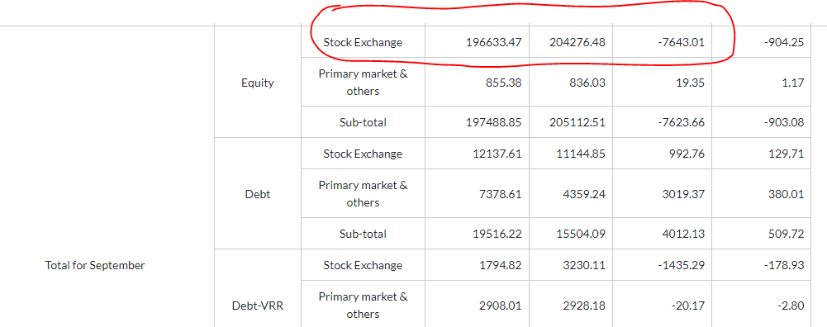
*Till March 2024 |  |  | (Source: SEBI) | 3. refer image pasted on excel file > > >

MF Activity (Rs cr)
Total for Mar 2024 | 186,611.83 | 141,312.92 | 45,298.91 | https://www.financialexpress.com/mutual-funds-india/mutual-funds-activities/
Total for 2024* | 584,773.11 | 498,542.31 | 86,230.80 | https://www.way2wealth.com/mutual-fund/mfactivity/
TILL 27th Mar |  |  | (Source: SEBI) | 1. SELECT EQUITY ONLY
 |  |  | (Rs Crore)

