Sheet1
MONTHLY PERFORMANCE

INDIAN INDICES
Indices | Jul-23 | Jun-23 | Change (%)
SENSEX | 66527.67 | 64718.56 | 2.80
NIFTY 50 | 19753.80 | 19189.05 | 2.94 | NSE
NIFTY BANK | 45651.10 | 44747.35 | 2.02 | https://www.nseindia.com/market-data/live-market-indices
NIFTY MIDCAP 100 | 37721.35 | 35754.35 | 5.50
NIFTY 500 | 17059.00 | 16430.00 | 3.83
NIFTY IT | 29928.45 | 29563.00 | 1.24
NIFTY REALTY | 566.75 | 520.00 | 8.99
NIFTY INFRA | 6115.35 | 5739.30 | 6.55
(Source: BSE & NSE)

BSE SECTORAL INDICES
Indices | Jul-23 | Jun-23 | Change (%)
AUTO | 36017.44 | 34919.72 | 3.14 | BSE
S&P BSE BANKEX | 51432.39 | 50500.57 | 1.85 | https://www.bseindia.com/Sensex/IndexHighlight.html
S&P BSE CONSUMER DURABLES | 42752.52 | 42861.12 | -0.25
S&P BSE CAPITAL GOODS | 44045.93 | 40725.76 | 8.15
S&P BSE Fast Moving Consumer Goods | 18986.42 | 18690.49 | 1.58
S&P BSE Healthcare | 27736.45 | 25814.46 | 7.45
S&P BSE Information Technology | 30276.57 | 29876.53 | 1.34
S&P BSE METAL | 22180.72 | 20561.27 | 7.88
S&P BSE OIL & GAS | 19424.13 | 18209.80 | 6.67
S&P BSE PSU | 11730.28 | 10736.16 | 9.26
S&P BSE REALTY | 4536.14 | 4161.18 | 9.01
S&P BSE TECK | 13674.87 | 13423.12 | 1.88
(Source: BSE)

GLOBAL INDICES
Indices | Jul-23 | Jun-23 | Change (%)
DOW JONES | 35559.53 | 34407.60 | 3.35 | FOR DOW & NASDAQ
NASDAQ | 14346.02 | 13787.92 | 4.05 | https://edition.cnn.com/business/markets/commodities
HANG SENG | 20078.95 | 18916.43 | 6.15
FTSE | 7699.41 | 7531.53 | 2.23 | https://www.moneycontrol.com/markets/global-indices/
NIKKEI | 33308.00 | 33450.00 | -0.42 | FOR HANGSANG, FTSE, NIKKEI
Source: Money Control

COMMODITIES
Particular | Jul-23 | Jun-23 | Change (%)
MCX GOLD | 59568.00 | 58211.00 | 2.33
MCX SILVER | 75427.00 | 68935.00 | 9.42 | spot
MCX CRUDE OIL | 6697.00 | 5799.00 | 15.49 | https://www.mcxindia.com/market-data/spot-market-price
MCX NATURAL GAS | 216.70 | 230.40 | -5.95
Source: Falcon

FOREX
Particular | Jul-23 | Jun-23 | Change (%)
USD-INR | 82.24 | 82.09 | 0.18 | https://in.investing.com/indices/indices-futures
EUR-INR | 90.43 | 89.56 | 0.97
GBP-INR | 105.55 | 104.28 | 1.22
JPY-INR | 57.78 | 56.86 | 1.62
Source: Investing.com

FII Activity (Rs cr)
Date | Gross Purchases | Gross Sales | Net Pur/Sales | https://www.cdslindia.com/Publications/FIITrends.aspx
Total for JULY 2023 | 234672.99 | 197380.17 | 37,292.82 | 1. SELECT LAST DATE OF MONTH
Total for 2023* | 1,332,834.76 | 1,229,436.48 | 103,398.28 | 2. SELECT TOTAL OF MONTH ONLY EQUITY WITH STOCK EXCHANGE
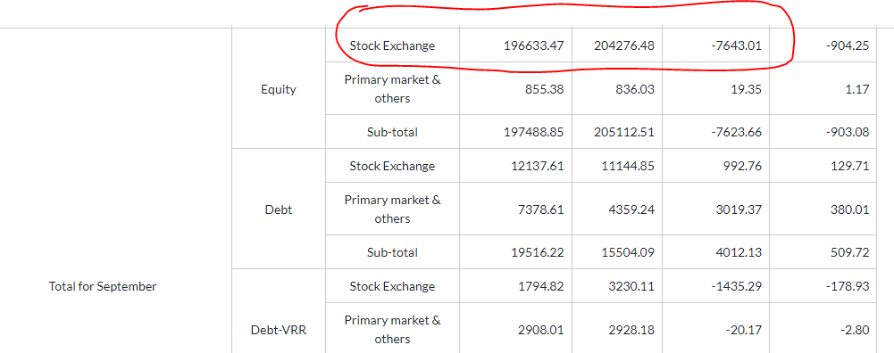
*Till JULY 2023 |  |  | (Source: SEBI) | 3. refer image pasted on excel file > > >

MF Activity (Rs cr)
Total for JULY 2023 | 95,494.28 | 87,785.95 | 7,705.33 | https://www.financialexpress.com/mutual-funds-india/mutual-funds-activities/
Total for 2023* | 681,239.23 | 611,440.40 | 69,796.64
TILL 31st JULY |  |  | (Source: SEBI) | 1. SELECT EQUITY ONLY
 |  |  | (Rs Crore)

JAN TOTAL | 112,171.24 | 90,818.83 | 21,353.21
FEB TOTAL | 101,628.76 | 88,804.09 | 12,824.67
MAR TOTAL | 105430.73 | 84666.43 | 20,764.30
APR TOTAL | 75553.66 | 80684.71 | -5131.05
MAY TOTAL | 100303.37 | 97856.87 | 2446.51
JUNE TOTAL | 90,657.19 | 80,823.52 | 9,833.67
JULY TOTAL | 95,494.28 | 87,785.95 | 7,705.33
AUG TOTAL
SEP TOTAL
OCT TOTAL
NOV TOTAL
DEC TOTAL
Total for 2023* | 681,239.23 | 611,440.40 | 69,796.64

